SRC OF FUND + RELATIONSHIP CODE
Source of Funds & Related/Non-Related
Source of Fund & Related/ Non related value to be captured for the following Purpose codes

NO | BOP_PURPOSE_CODE_NO | SOURCE_OF_FUND(i) | RELATED_/_NON-RELATED (ii) | Possible values for Source of Fund are
1 | 14110 | N/A | Yes | Value | Description
2 | 14120 | N/A | Yes | MYRA | Conversion from Ringgit account
3 | 31111 | Yes | Yes | FCA1 | Funds sourced Trade account
4 | 31112 | Yes | Yes | FCA2 | Funds sourced Investment account
5 | 31113 | Yes | Yes
6 | 31121 | Yes | Yes | Possible values for Related / Non Related
7 | 31122 | Yes | Yes | Value | Description
8 | 31123 | Yes | Yes | Y | Yes
9 | 31211 | Yes | Yes | N | No
10 | 31212 | Yes | Yes
11 | 31213 | Yes | Yes
12 | 31214 | Yes | Yes | Possible values for Relationship Code , This is applicable only for BOP code 276
13 | 31215 | Yes | Yes | Value | Short Description
14 | 31216 | Yes | Yes | PR | Parent
15 | 31221 | Yes | Yes | HO | Head Office
16 | 31222 | Yes | Yes | DI | Direct Investor
17 | 31223 | Yes | Yes | SB | Subsidiary
18 | 31224 | Yes | Yes | BR | Branch
19 | 31225 | Yes | Yes | AS | Associate
20 | 31226 | Yes | Yes | AF | Affiliate
21 | 31311 | Yes | Yes
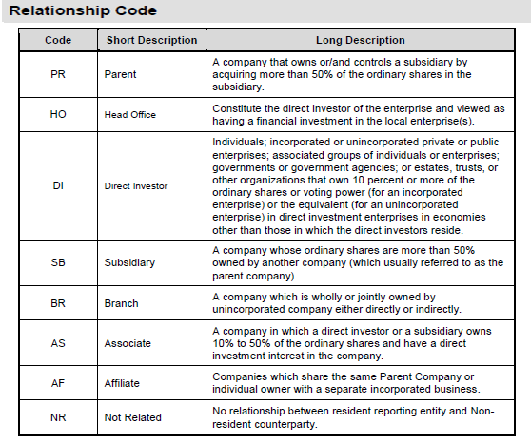
22 | 31312 | Yes | Yes
23 | 31411 | Yes | Yes
24 | 31412 | Yes | Yes
25 | 31413 | Yes | Yes
26 | 31511 | Yes | Yes
27 | 31512 | Yes | Yes
28 | 31513 | Yes | Yes
29 | 31911 | Yes | Yes
30 | 31912 | Yes | Yes
31 | 31913 | Yes | Yes
32 | 31921 | Yes | Yes
33 | 31922 | Yes | Yes
34 | 31923 | Yes | Yes
35 | 35130 | Yes | Yes
36 | 35140 | Yes | Yes
37 | 35200 | Yes | Yes
38 | 35300 | Yes | Yes
39 | 35400 | Yes | Yes
40 | 36110 | Yes | N/A
41 | 36120 | Yes | N/A
42 | 36130 | Yes | N/A
43 | 36140 | Yes | N/A
44 | 36210 | Yes | Yes
45 | 36220 | Yes | Yes
46 | 36230 | Yes | Yes
47 | 36240 | Yes | Yes
48 | 36410 | Yes | N.A
49 | 36420 | Yes | N/A
50 | 39111 | Yes | N/A
51 | 39112 | Yes | N/A
52 | 39121 | Yes | N/A
53 | 39122 | Yes | N/A
54 | 39210 | Yes | N/A
55 | 39220 | Yes | N/A

